Overview
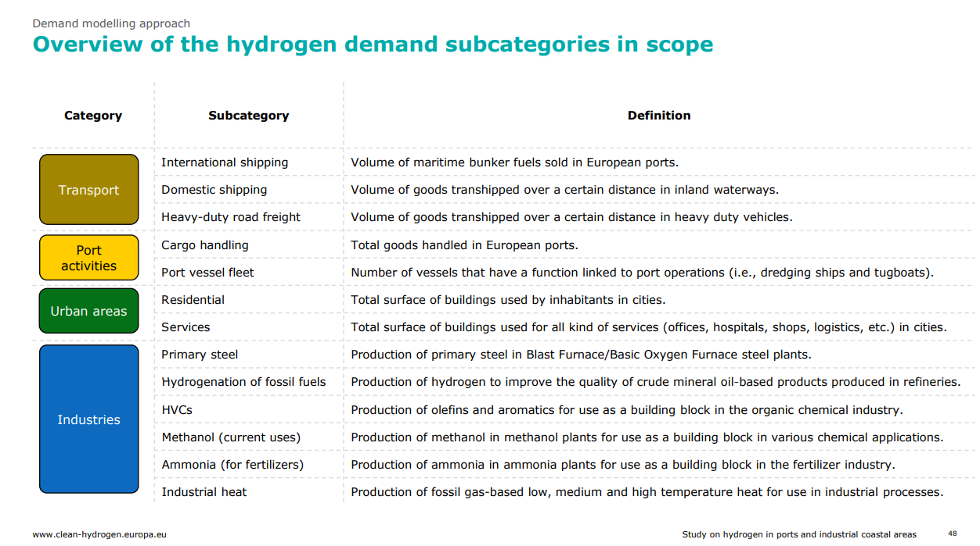

Quartile summary
Year | Scen | Industry | Transport | Building | Power | TOTAL DEMAND (in TWh/year)
2030 | min | 129.987 | 0.067883502818 | 0 | 0 | 223.311
2030 | low | 266.9087225 | 15.013513514 | 0 | 0 | 303.69247513
2030 | mid | 293.06784807 | 31.5 | 13.761756757 | 0 | 343.83918464
2030 | high | 396.897 | 67.1 | 32.25 | 0 | 489.25
2030 | max | 497 | 321.87522515 | 76.659 | 65 | 767.18088959
2040 | min | 263.88717067 | 106 | 0 | 0 | 387.69513202
2040 | low | 379.66122755 | 152.96222415 | 7.0110978974 | 0 | 688.5950896
2040 | mid | 513.78263131 | 247.37866683 | 71.703909451 | 0 | 959.01271216
2040 | high | 560.25 | 378.05130233 | 149.56499878 | 128.2961368 | 1214.5719139
2040 | max | 857 | 586.36111158 | 363 | 301 | 1490
2050 | min | 0 | 70.62 | 0 | 0 | 198
2050 | low | 337.75704803 | 279.75 | 0 | 0 | 745.5
2050 | mid | 528.41765987 | 536.5 | 203 | 92.616072304 | 1386.1023585
2050 | high | 751.91673723 | 685 | 320.09677954 | 255.82244684 | 2074.1765495
2050 | max | 1584 | 1782 | 1221 | 792 | 4818

